Application Screen
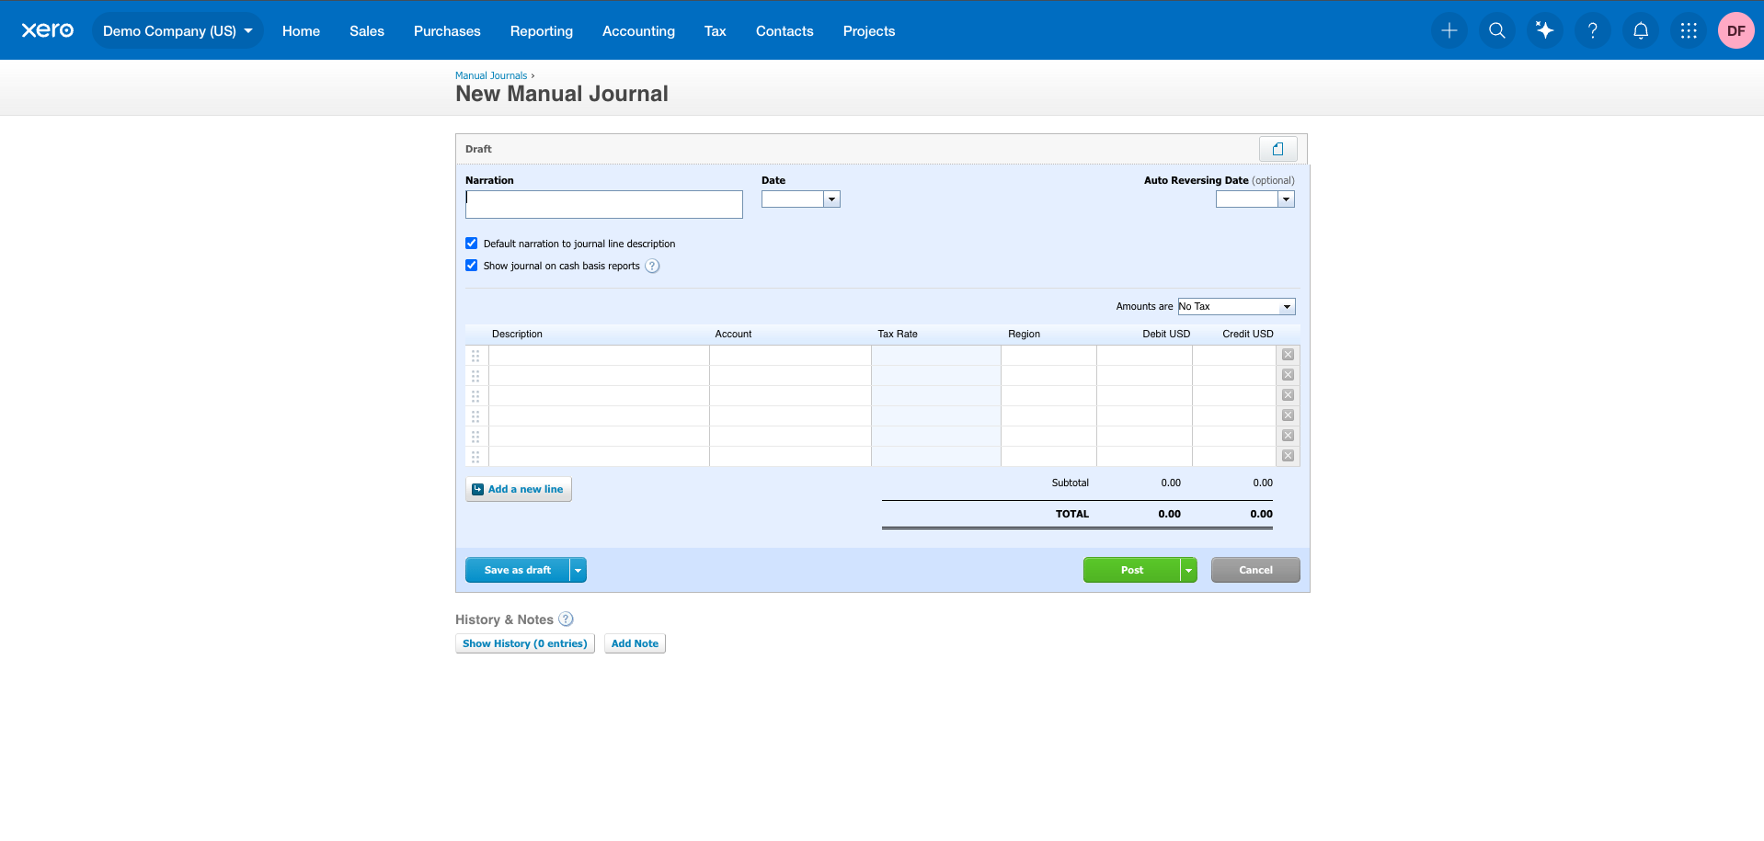
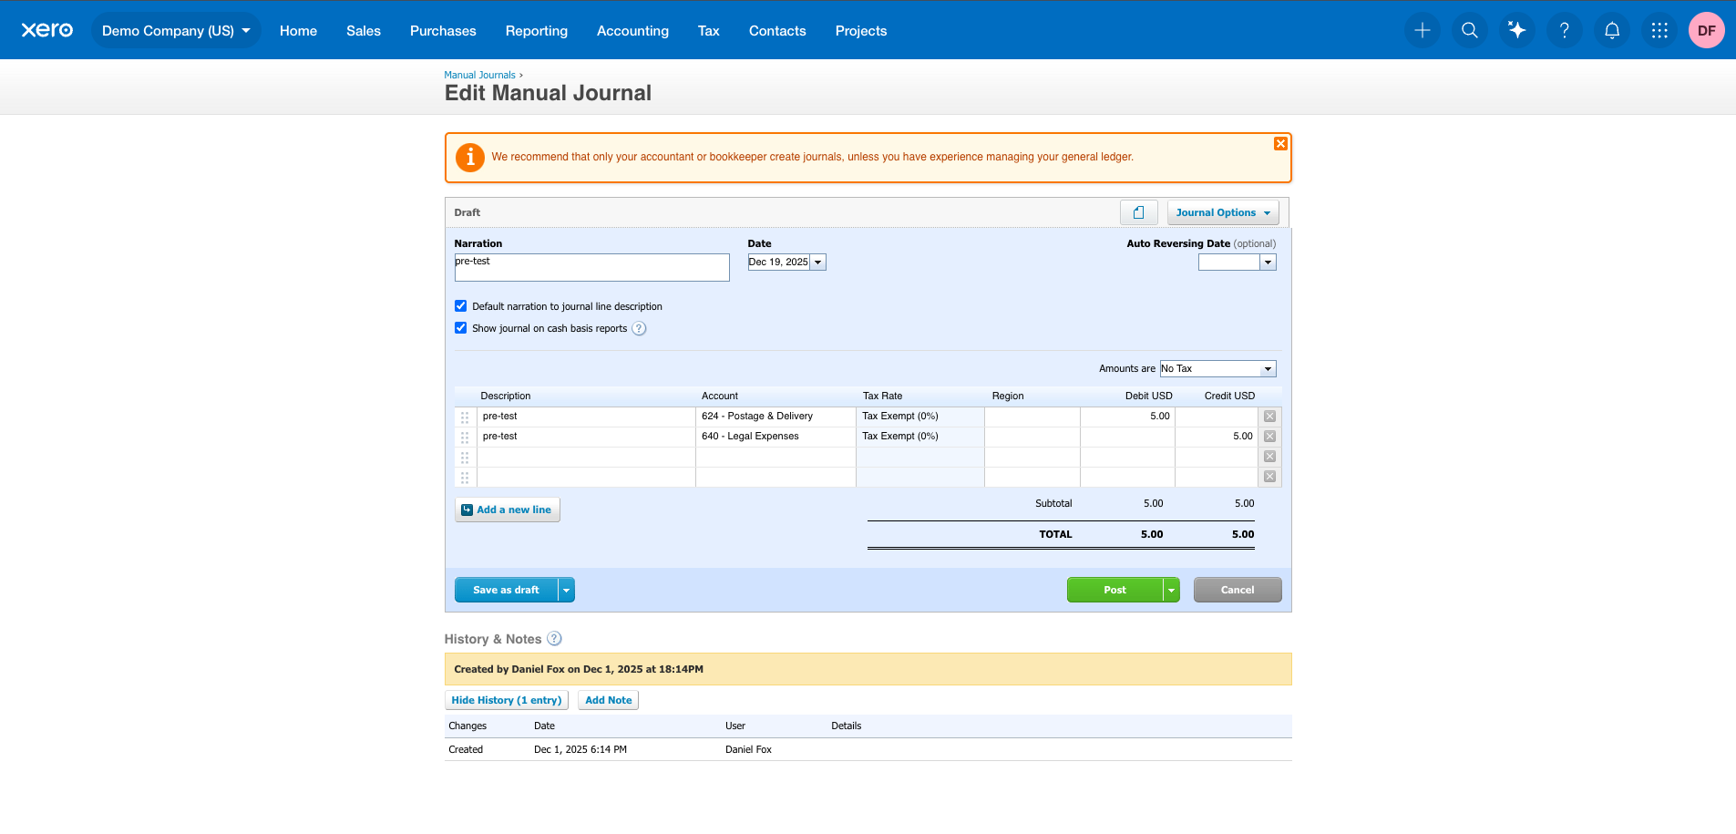
Two screens have been provided here because Manual Journals can be Posted from two screens: New Manual Journal & Edit Manual Journal

Test Case 19
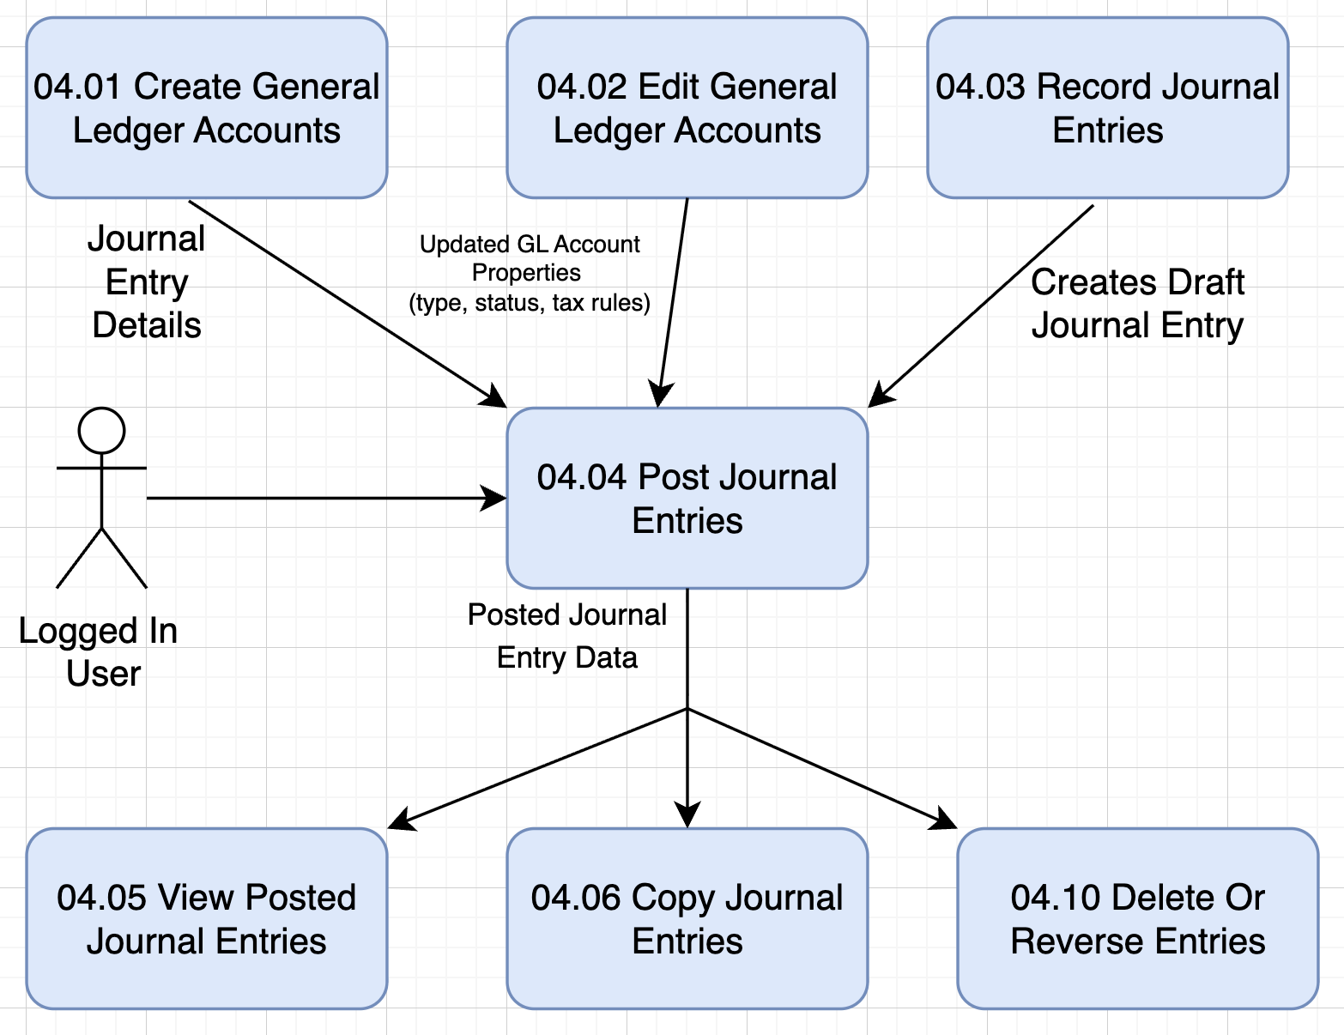
TC Title: | TC19. Post Journal Entries – Data Flow-In Validation (DF-In)

TC Objective: | To validate that all upstream data used by the Post Journal Entries feature—such as Chart of Accounts, Tax Rates, Organization Settings, and existing Draft Journals—flows correctly into the Posting process and is consumed without data loss, corruption, or mismatch.

Test Data (optional): | An existing Draft Manual Journal created in 04.03
 | Chart of Accounts containing:
 | At least one active account
 | One archived or locked account
 | Organization with default:
 | Currency
 | Tax settings
 | At least one custom tax rate

TC Description
 | Step | Step Description | Expected Results
 | 1 | Log in as a user with permission to post manual journals. | User successfully logs in.
 | 2 | Navigate to Accounting → Chart of Accounts and review available accounts. | Active accounts are displayed and available for selection; archived/locked accounts appear as restricted.
 | 3 | Navigate to Tax → Tax settings → Manual tax rates and review tax rate list. | All active tax rates appear correctly, including any custom rate.
 | 4 | Navigate to Accounting → Manual Journals → Draft. | List of Draft journals loads successfully.
 | 5 | Open an existing Draft Manual Journal created in prior test cases. | Journal loads with account codes, tax types, dates, and amounts prepopulated.
 | 6 | Review the journal lines and confirm the account dropdown contains only active accounts pulled from the Chart of Accounts. | Only active accounts appear; archived accounts are hidden or disabled.
 | 7 | Review tax rate dropdown for each line item. | Tax Rate list matches the master Tax Rates from Settings.
 | 8 | Confirm the journal’s Draft status, date, and totals match the data stored when originally created in 04.03. | All values match prior journal entry data; no corruption, mismatch, or missing data.
 | 9 | Click Post to finalize the journal. | Posting succeeds; status updates to Posted.
 | 10 | Review History & Notes. | Entry logs show accurate prior draft creation and final posting event, reflecting correct upstream data usage.

